Regional COMPs
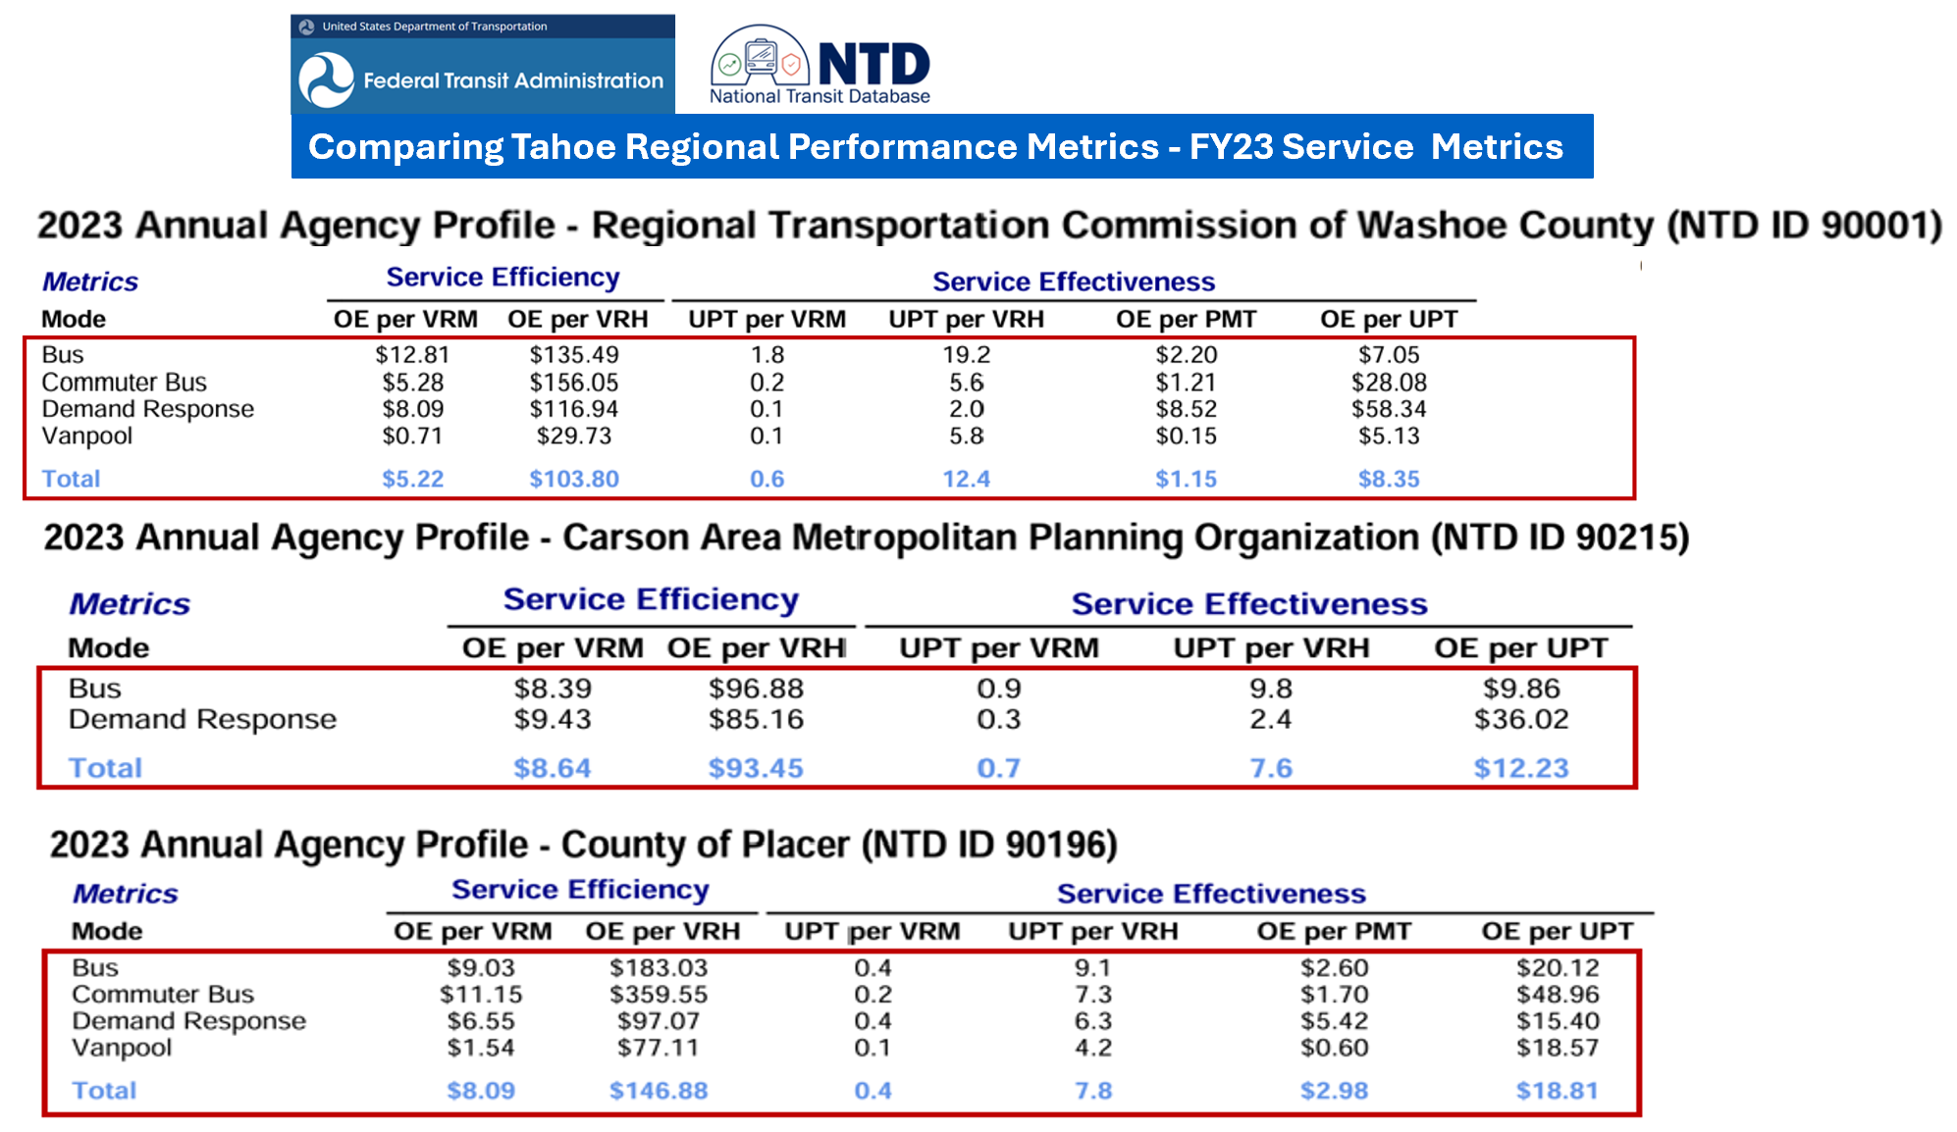

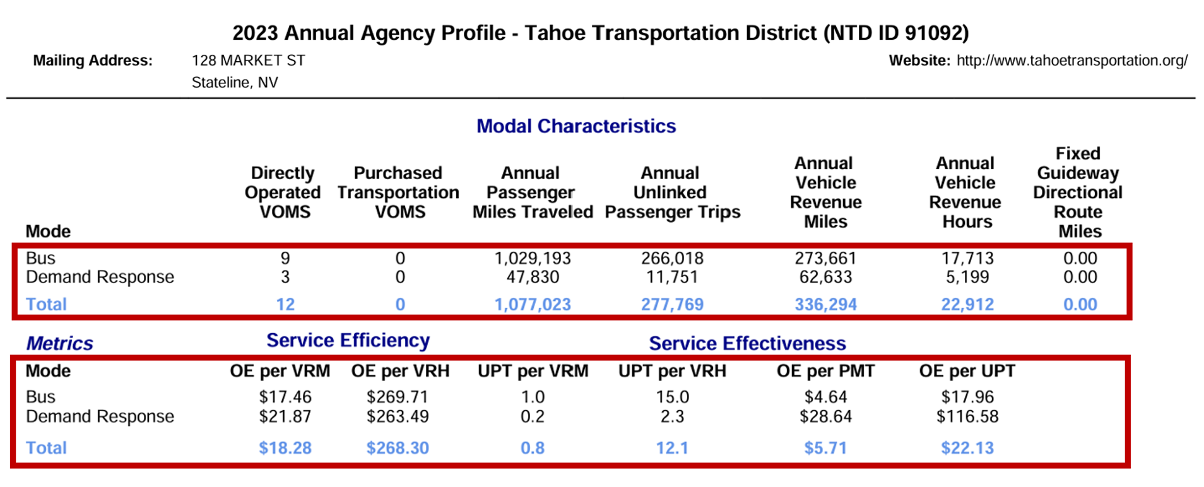

FY27 Financial Forecast
 | DRAFT
 | EXAMPLE 5 YEAR FINANCIAL MODEL - Operating
 | Revenue & Expense Assumptions (10/1/26 - 09/30/31) |  |  |  |  |  |  | need to address local match for route 19/22, 28 Urban UZA vs Rural

34 | Revenue Sources | FY2027 | FY2028 | FY2029 | FY2023 | FY2031 | Total
35 | Caltrans Congestion Mitigation Air Quality (CMAQ) | $350,000 | $350,000 | $350,000 | $350,000 | $350,000 | $1,750,000
37 | Federal Transit Administration Allocations
41 | FTA 5307 Block Grant | 1,322,921 | 1,336,150 | 1,349,512 | 1,363,007 | 1,376,637 | $6,748,226
 | LTF (JPA Full Amount?) (Growth Projected at 1.5% annually) | 1,338,438 | 1,358,515 | 1,378,892 | 1,399,576 | 1,420,569 | $6,895,990
 | STA (Growth Projected at 1.5% annually) | 900,612 | 914,121 | 927,833 | 941,750 | 955,876 | $4,640,191
 | City of South Lake Tahoe | 1,150,000 | 1,150,000 | 1,200,000 | 1,400,000 | 1,560,000 | $6,460,000
 | El Dorado County | 400,000 | 400,000 | 400,000 | 400,000 | 400,000 | $2,000,000
 | SSTMA Funding Partners: Event Center, Douglas County, LTVA, TDVA, Others
 | Event Center | 350,000 | 350,000 | 350,000 | 350,000 | 350,000 | $1,750,000
 | Douglas County | 600,000 | 600,000 | 600,000 | 600,000 | 600,000 | $3,000,000
 | LTVA | 50,000 | 50,000 | 50,000 | 50,000 | 50,000 | 250,000
 | Other Partners | 100,000 | 100,000 | 100,000 | 100,000 | 100,000 | 500,000
 | Parking Revenue
 | TBID/TOT, Other |  | 1,700,000 | 2,100,000 | 2,100,000 | 2,200,000 | $8,100,000
 | California SB125 (California) South Shore Transit Operations Support (must be a TDA Operator)* | 1,768,000 | 293,180 |  |  |  | $2,061,180
 | *$13M allocated $4M for south shore operations $2.1 unallocated
 | Emerald Bay Fares = $15 per ride, each way | 514,080 | 514,080 | 514,080 | 514,080 | 514,080 | $2,570,400
 | Meyers Fare = $5.00 Downtowner+Uber | 347,445 | 347,445 | 347,445 | 347,445 | 347,445 | $1,737,225

 | Total Revenue All Sources | $9,191,496 | $9,463,490 | $9,667,762 | $9,915,857 | $10,224,607 | $48,463,212
 | Total Lake Link Operating Expenses by year | $4,411,670 | $4,521,962 | 4,635,011 | 4,750,886 | 4,869,658 | $23,189,187
 | Total Fx Bus Operting Expenses by year | $2,873,500 | $2,945,337 | $3,018,971 | $3,094,445 | $3,171,806 | $15,104,060
 | Total Projected Operating Expenses (Lake Link + fx bus) | $7,285,170 | $7,467,299 | $7,653,982 | $7,845,331 | $8,041,465 | $38,293,247
 | Zone 6 LTCC to Stateline Service | $618,800 | $634,270 | $650,127 | $666,380 | $683,039 | $3,252,616
 | Total Projected Operating Expenses (w/Zone 6) | $7,903,970 | $8,101,569 | $8,304,108 | $8,511,711 | $8,724,504 | $41,545,863
 | South Lake Tahoe Portions of Route 19 |  | $- | $- | $- | $- | $-
 | Total Projected Operating Expenses (w/Routee 19) | $7,903,970 | $8,101,569 | $8,304,108 | $8,511,711 | $8,724,504 | $41,545,863
 | South Lake Tahoe Portions of Route 22 |  | $- | $- | $- | $- | $-
 | Total Projected Operating Expenses (w/Route 22) | $7,903,970 | $8,101,569 | $8,304,108 | $8,511,711 | $8,724,504 | $41,545,863
 | South Lake Tahoe Portions of Route 28 Eeast Shore Express |  | $- | $- | $- | $- | $-
 | Total Projected Operating Expenses (w/Route 28) | $7,903,970 | $8,101,569 | $8,304,108 | $8,511,711 | $8,724,504 | $41,545,863
 | Zone 7 Emerald Bay Reservation Service Expense | $416,160 | $426,564 | $437,228 | $448,159 | $459,363 | $2,187,474
 | Total Projected Operating Expenses (w/Zone 7) | $8,320,130 | $8,528,133 | $8,741,337 | $8,959,870 | $9,183,867 | $43,733,337
 | Zone 8 Meyers Service w/uber | $843,795 | $864,890 | $886,512 | $908,675 | $931,392 | $4,435,264
 | Total Projected Operating Expenses (w/Zone8) | $9,163,925 | $9,393,023 | $9,627,849 | $9,868,545 | $10,115,259 | $48,168,600
 | unallocated funds/shorfall | $27,571 | $70,467 | $39,913 | $47,313 | $109,349 | $294,612
 | ROUTES 19/22, 28
 | Revenue Sources
 | Caltrans Congestion Mitigation Air Quality (CMAQ) | $150,000 | $150,000 | $150,000 | $150,000 | $150,000 | 750,000
 | Federal Transit Administration Allocations
 | FTA 5307 Allocation - Federal Apportionment Allocation to Route 28 | 594,356 | 600,299 | 606,302 | 612,365 | 618,489 | 3,031,812
 | FTA 5311 Allocation - Federal Apportionment through NDOT Route 19 & 22 | 598,496 | 604,480 | 610,525 | 616,631 | 622,797 | 3,052,929
 | FTA 5310 |  |  |  |  |  | $-
 | Nevada State Funding
 | TART/Washoe Portion of Route 28 - State or local match needed |  |  |  |  |  | $-
 | Douglas County/DART ((Portion of Route 22) - State or local match needed |  | - | - | - | - | $-
 | Carson City (Portion of Route 19x) - State or local match needed |  | - | - | - | - | $-
 | Parking Revenue
 | Nevada Department of Conservation & National Resources | 85,000 | 85,000 | 85,000 | 85,000 | 85,000 | $425,000
 | State of Nevada Funded - Vanpool | 432,000 | 468,000 | 504,000 | 540,000 | 576,000 | $2,520,000 |  | 76,200.00
 | Route 19X Interlined Fare = Proposed $7 oneway fare (local) $ 15 Regional? | $97,671 | $97,671 | $97,671 | $102,555 | $102,555 | $498,122
 | Route 22 Interlined Fare = Proposed $7 oneway fare (local) $ 15 Regional? | $97,671 | $97,671 | $97,671 | $102,555 | $102,555 | $498,122
 | Route 28 = $7 oneway Fare | $180,565 | $180,565 | $180,565 | $189,593 | $189,593 | $920,882
 | Revenue Sources | $2,235,758 | $2,283,687 | $2,331,735 | $2,398,698 | $2,446,988 | $11,696,866
 | Route 19 | $593,775 | $608,619 | $623,835 | $639,431 | $655,416 | $3,121,076
 | Route 22 | $593,775 | $608,619 | $623,835 | $639,431 | $655,416 | $3,121,076
 | Vanpools = Alternate to Route 19 & 22 cost shown in addition to fixed routs 19/22 for modeling | $432,000 | $468,000 | $504,000 | $540,000 | $576,000 | $2,520,000
 | Route 28 | $446,775 | $457,944 | $469,393 | $481,128 | $493,156 | $2,348,396
 | Projected Operating Expenses | $2,066,325 | $2,143,183 | $2,221,063 | $2,299,989 | $2,379,989 | $6,242,153
 | Unallocated funds | $169,433 | $140,504 | $110,672 | $98,709 | $66,999 | $5,454,713
 | Unallocated 5311 FTA Allocation Available for drawdown with state or local match | 594,356 | 600,299 | 606,302 | 612,365 | 618,489 | 3,031,812

 | Grand Total Revenue | $11,427,254 | $11,747,177 | $11,999,496 | $12,314,556 | $12,671,596 | $60,160,079
 | Grand Total Expenses | $11,230,250 | $11,536,206 | $11,848,911 | $12,168,534 | $12,495,248 | $59,279,149
 | Unallocated | $197,004 | $210,971 | $150,585 | $146,022 | $176,348 | $880,929

 | Federal

 | Caltrans Transportation Development Credits from Tolls (CAPx)
 | FTA 5339 (Prior Years) Allocable to California & Nevada Service Area Operated by JPA
 | FTA 5339 Future Years

 | FTA 5307 CAPITAL, can be used for Opex

 | Total Capital
 | Possible Transportation Toll Credits = 20%

 | Total Projected FY27 Capital Funding | $- | $- | $- | $- | $- | $-
 |  | $- | $- | $- | $- | $- | $-
 | Allocation of Prior Years Federal 5307 Attributal to South Shore Services | ??? | ??? | ??? | ??? | ??? | ???
 | Allocation of Prior Years Federal 5310 Attributal to South Shore Services | ??? | ??? | ??? | ??? | ??? | ???
 | Allocation of Prior Years Federal Descreationary Funding | ??? | ??? | ??? | ??? | ??? | ???
 | Allocation of Prior Years Federal Comptetitive Grant Funding | ??? | ??? | ??? | ??? | ??? | ???
 | Bus & Bus Failicities
 | Zero Emissions
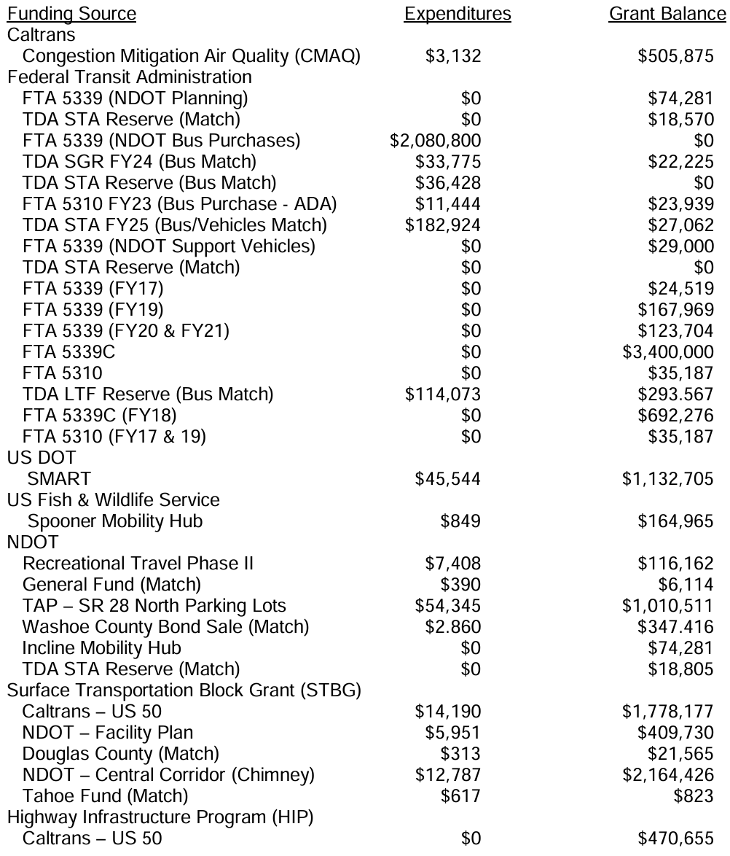
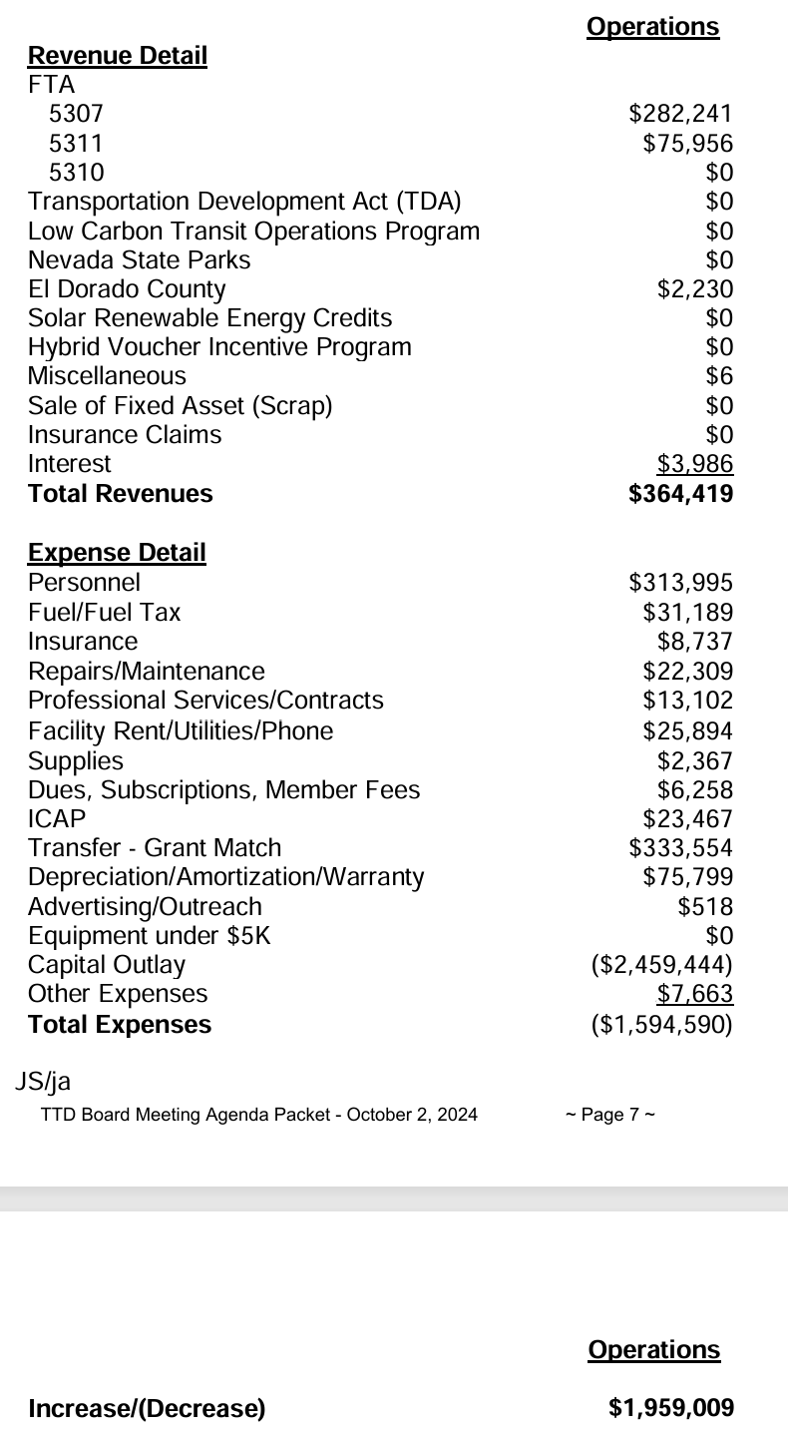
 | Other

FTA FY27 Sub Allocation Exampl
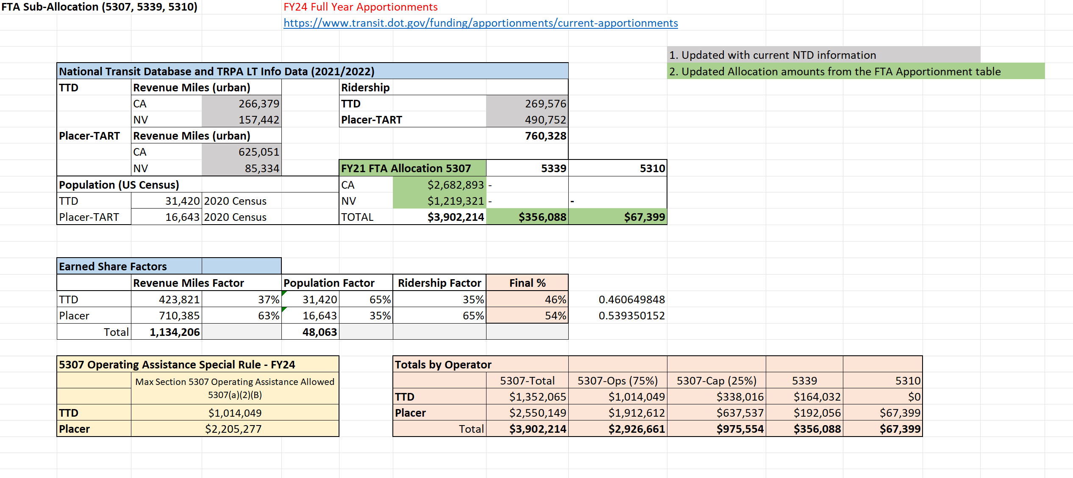
FEDERAL FUNDING APPORTIONMENT DISCUSSIONS AND "EXAMPLE" DATA

FTA Sub-Allocation (5307, 5339, 5310)
 |  |  |  | https://www.transit.dot.gov/funding/apportionments/current-apportionments

 |  |  |  |  |  |  |  |  | 1. Updated with current NTD information
 | EXAMPLE Using Proposed 2027 Forecasted Regional Model |  |  |  |  |  |  |  | 2. Updated Allocation amounts from the FTA Apportionment table
 | TTD | Revenue Miles (urban) |  |  | Ridership
 |  | fx +micro | 1,177,426 | 67% |  |  | 925,136 | 61% | Miles + Ridership
 |  | 19/22+28+VP | 587,946 | 33% | Placer-TART |  | 600,000 | 39%
 | Placer-TART | Revenue Miles (urban) |  |  |  |  | 1,525,136
 |  | CA | 596,889
 |  | NV | 85,857 |  | FY24 FTA Allocation 5307 |  | 5339 | 5310
 | Population (US Census) |  |  |  | CA | $2,682,893 | - |  | 69%
 | TTD | 31,420 | 2020 Census |  | NV | $1,219,321 | - | - | 31%
 | Placer-TART | 16,643 | 2020 Census |  | TOTAL | $3,902,214 | $345,232 | $64,333

 | Earned Share Factors
 |  | Revenue Miles Factor |  | Population Factor |  | Ridership Factor | Forecasted % in 2027
 | TTD | 1,765,372 | 72% | 31,420 | 65% | 61% | 66%
 | Placer | 682,746 | 28% | 16,643 | 35% | 39% | 34%
 | Total | 2,448,118 |  | 48,063

 | 2024 Base + Earned Allocations |  |  |  |  | "EXAMPLE" Totals by Operator (Earned + Base)
 |  | 5307-Base | 5307-Earned |  |  |  | 5307-Total | 5307-Ops (75%) | 5307-Cap (25%) | 5339 | 5310
 | TTD | $1,300,000 | $1,256,369 |  |  | TTD | $2,556,369 | $1,917,277 | $639,092 | $228,018 | $64,333
 | Placer | $700,000 | $645,845 |  | EXAMPLE | Placer | $1,345,845 | $1,009,384 | $336,461 | $117,214 | $0
 | Total | 2,000,000 | 1,902,214 |  | *Split | Total | 3,902,214 | 2,926,661 | 975,554 | 345,232 | $64,333
 |  |  | 3,902,214 |  | 31% | fx 19/22, 28ESxp | $792,474.40 | $594,355.80 | $198,118.60 | $70,685.54 | $19,943.23
 |  |  |  |  | 69% | Micro + 50fx | $1,763,894.63 | $1,322,920.97 | $440,973.66 | $157,332.33 | $44,389.77
 |  |  |  |  |  | FY2024 | $2,556,369 | $1,917,277 | $639,092 | $228,018 | $64,333
 |  |  |  |  | *Split should use similar formula focused on area currently served by TTD in California and Nevada

Service Parameters
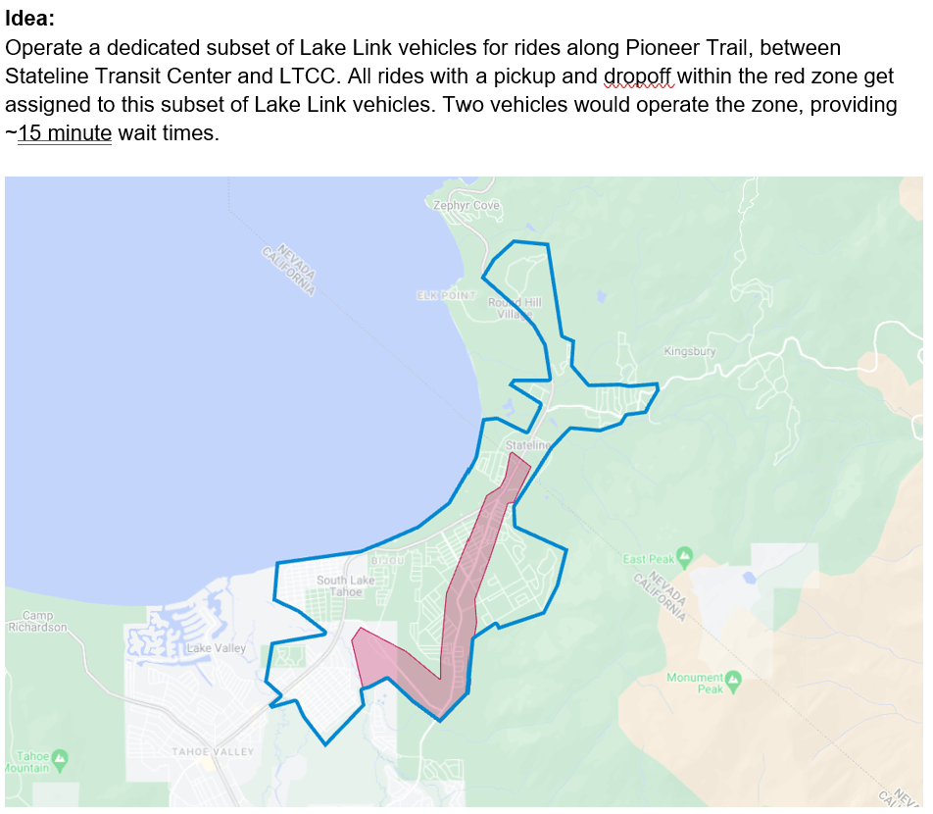
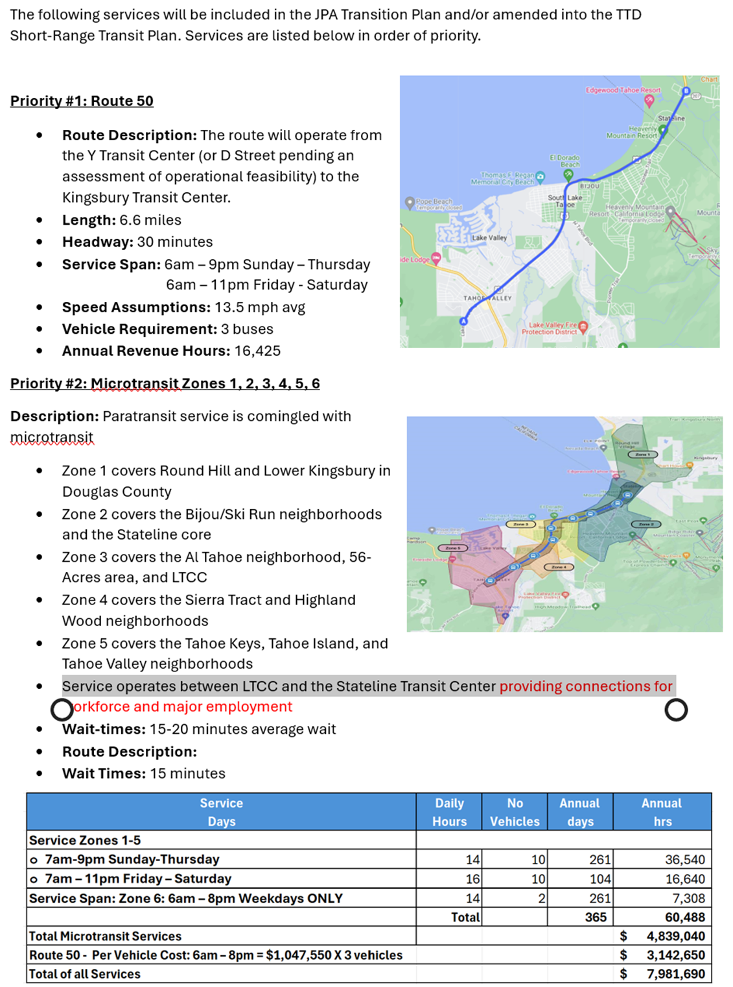

ZONE 6 ALTERNATIVE TO ROUTE 55

TTD 2022 NTD DATA
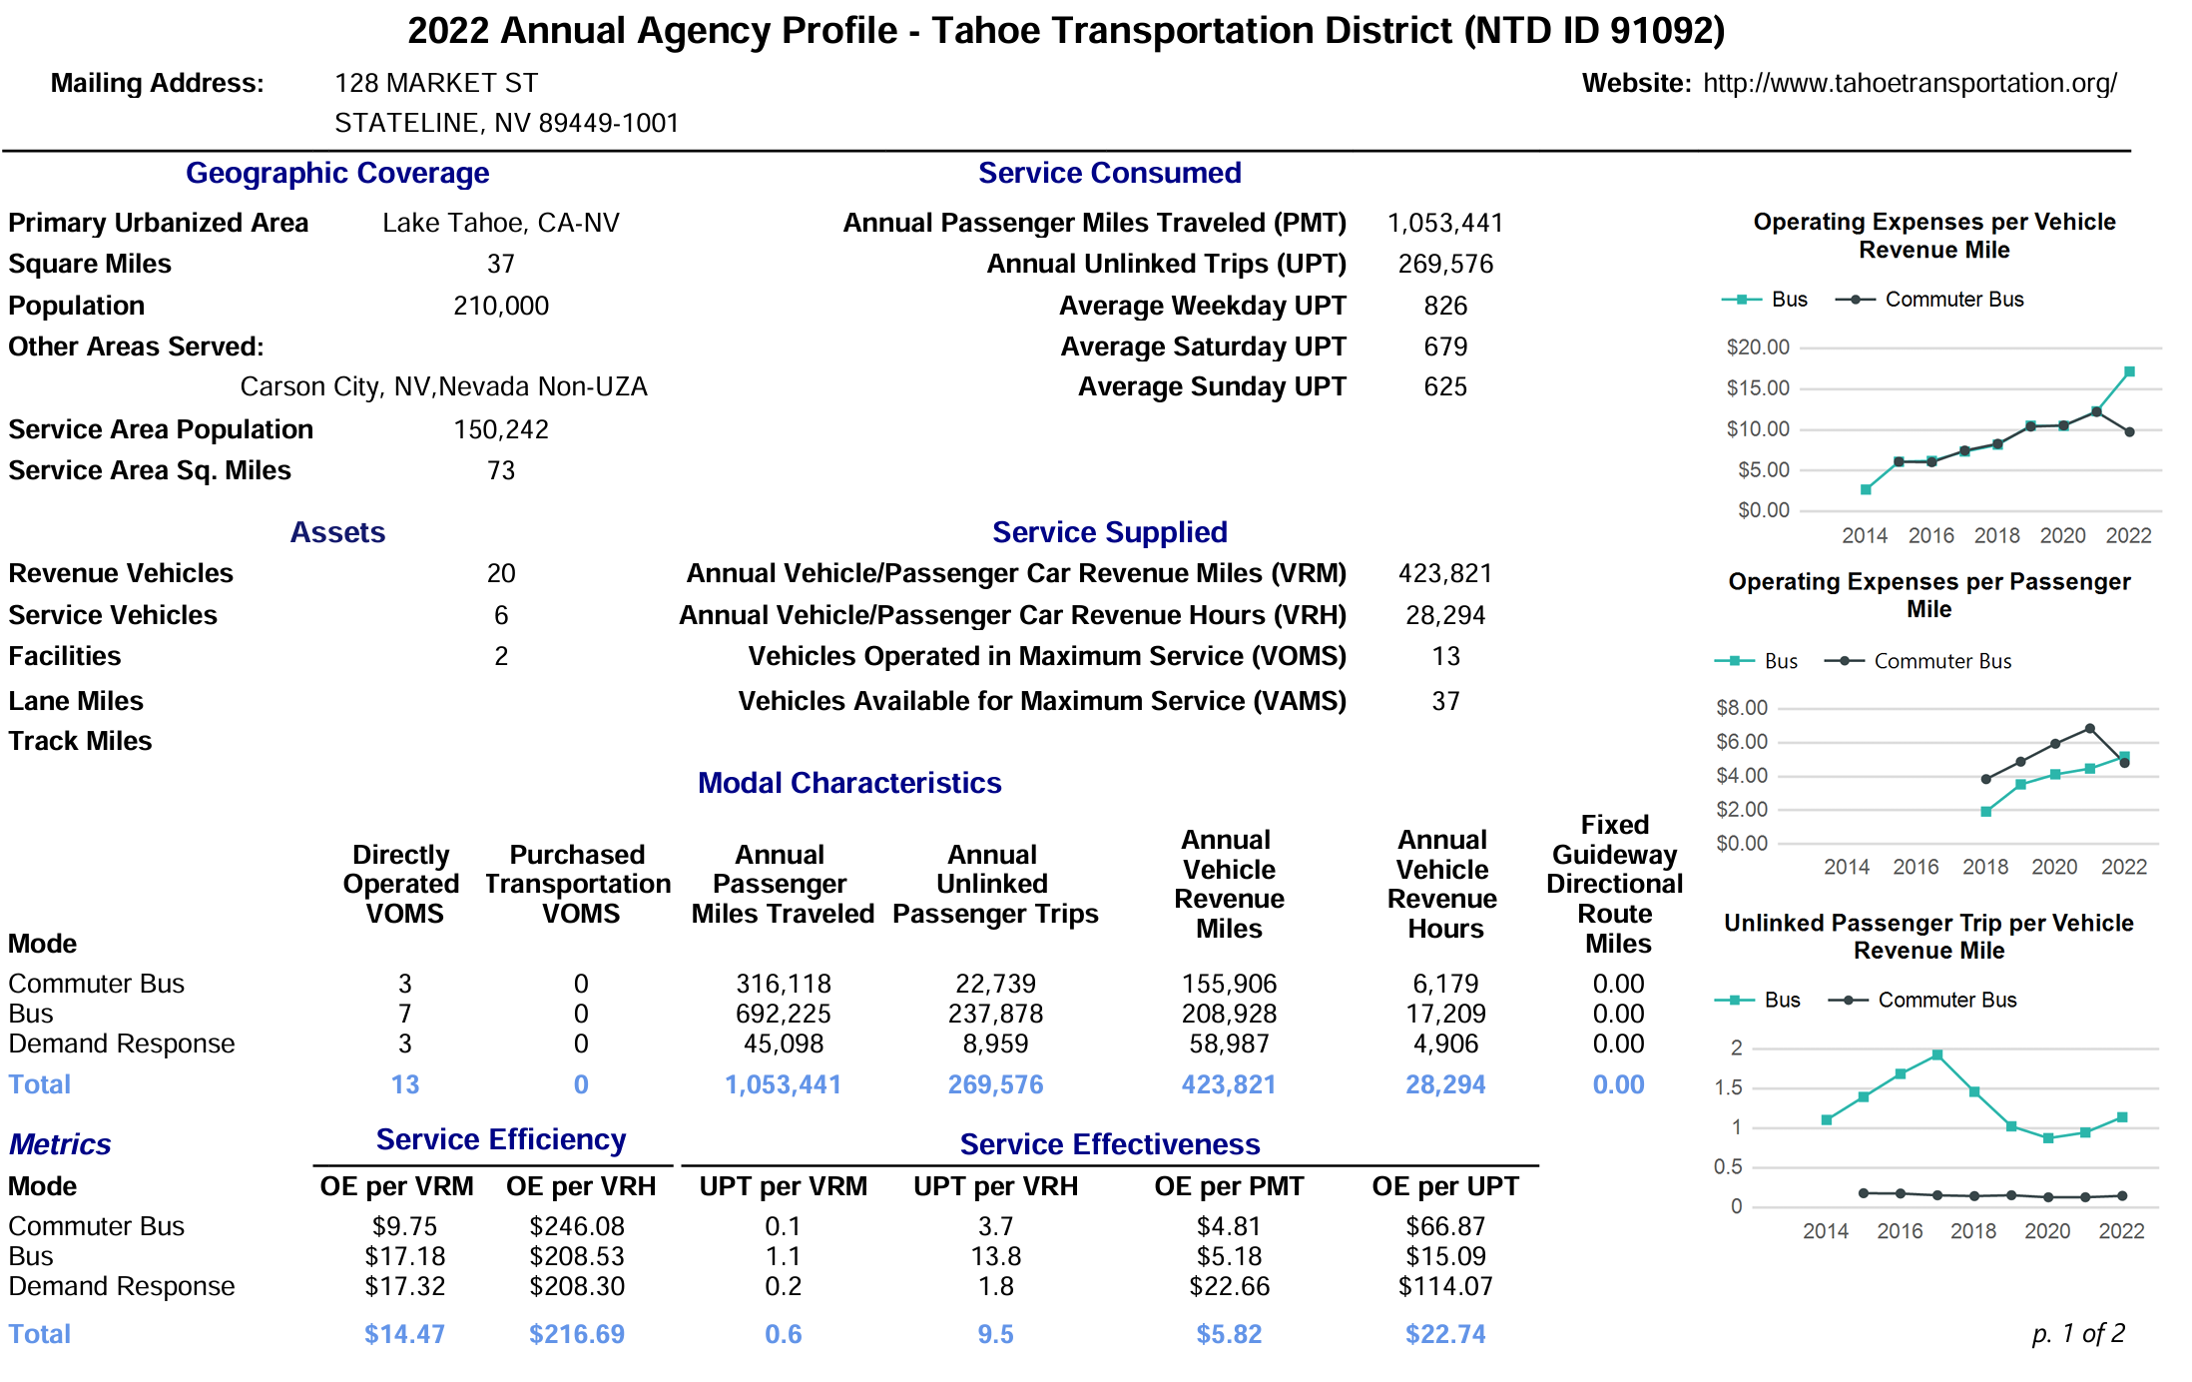

FY27 | FY28
Vehicle | Vehicle
Revenue | Revenue
Miles | Miles

89,541 | 119,387 | VRM JPA
334,280 | 304,434 | VRM TTD
423,821 | 423,821
75% | 75%
185,128 |  | Px
7,461.71 | 9,948.95 | VRH JPA

SSTMA CY24 Budget
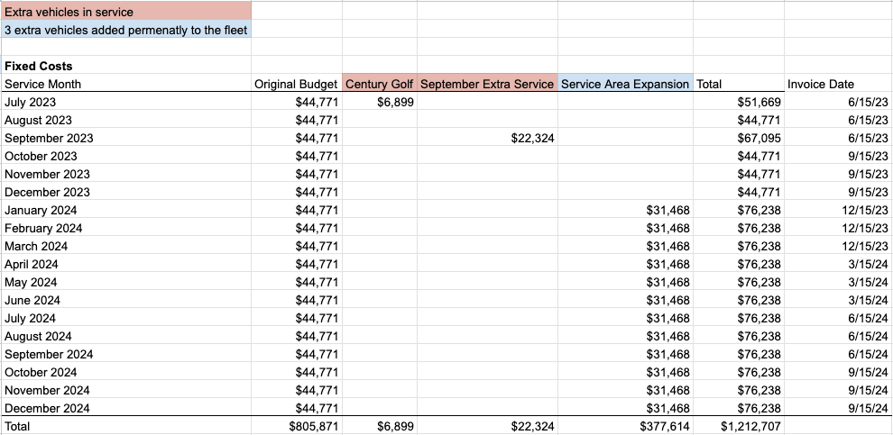
CY24 Budget
Hendrickson Transporation Group Management Fees | HTG | Downtowner | Admin | Total Total
7/31/23 | $10,625.00 | $112,937.00 | $150.00 | $123,562.00
8/31/23 | $10,625.00 | $102,937.00 | $150.00 | $113,562.00
9/30/23 | $10,625.00 | $151,111.00 | $150.00 | $161,736.00
10/1/23 | $10,625.00 | $102,537.00 | $150.00 | $113,162.00
11/30/23 | $10,625.00 | $102,537.00 | $150.00 | $113,162.00
12/31/23 | $10,625.00 | $102,537.00 | $150.00 | $113,162.00
Expenses | HTG | Downtowner | Admin | Total
January | $11,875 | $150,395 | $150 | $162,420
February | $11,875 | $166,786 | $150 | $178,811
March | $11,875 | $166,786 | $150 | $178,811
April | $11,875 | $166,786 | $150 | $178,811
May | $11,875 | $166,786 | $150 | $178,811
June | $11,875 | $166,786 | $150 | $178,811
July | $11,875 | $166,786 | $150 | $178,811
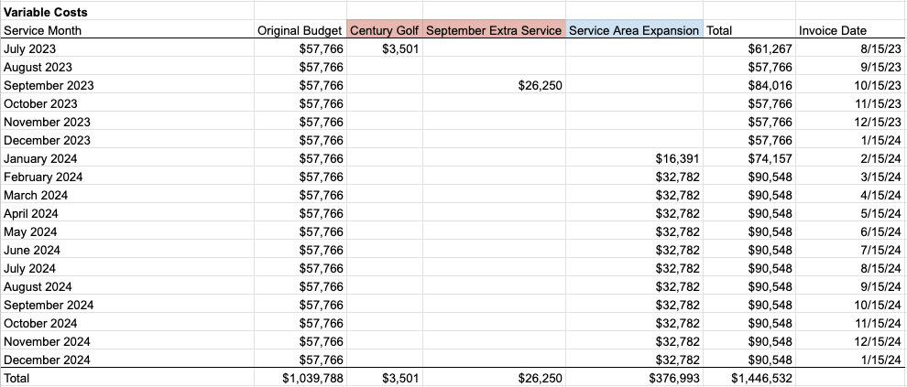
August | $11,875 | $166,786 | $150 | $178,811
September | $11,875 | $166,786 | $150 | $178,811
October | $11,875 | $166,786 | $150 | $178,811
November | $11,875 | $166,786 | $150 | $178,811
December | $11,875 | $166,786 | $150 | $178,811
Total | $142,500 | $1,985,041 | $1,800 | $2,129,341

1/31/25 | $10,625 | $166,786 | $- | $177,411
2/28/25 | $10,625 | $166,786 | $- | $177,411
3/31/25 | $10,625 | $166,786 | $- | $177,411
4/30/25 | $10,625 | $166,786 | $- | $177,411
5/31/25 | $10,625 | $166,786 | $- | $177,411
6/30/25 | $10,625 | $166,786 | $150 | $177,411
Annual Travel Epenses | $15,000 |  |  | $15,000
Total | $292,500 | $3,986,473 | $2,850 | $4,278,973 | $-

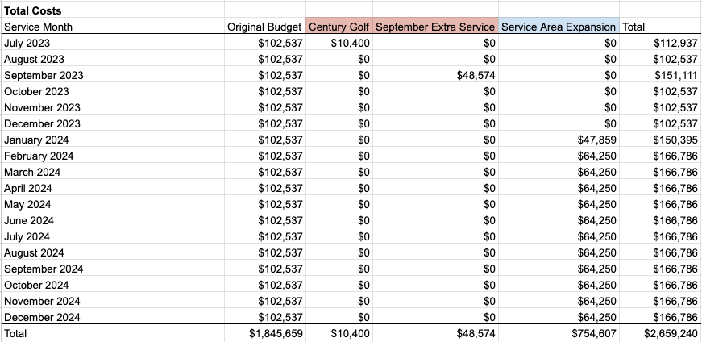
FY24 Revenues |  |  |  | Total
City of South Lake Tahoe |  |  |  | $750,000
Douglas County |  |  |  | $600,000
Event Center |  |  |  | $340,000
El Dorado County |  |  |  | $200,000
State of Nevada |  |  |  | $300,000
Heavenly |  |  |  | $100,000
Tourism Implovement District |  |  |  | $25,000
ADVANCE |  |  |  | $25,000
LTVA |  |  |  | $50,000
TDVA
Other Private Partners
Total |  |  |  | $2,390,000
Reserves |  |  |  | $260,659

